Sheet1
Bills Payable/Future Dated Payments/Post Dated Cheque Configuration and Process
Meaning
*Bills Payable is nothing but issuing a post dated cheque
*These are future dated payments

Standard Process | Bills Payable Process
When we create a Standard Invoice | When we create a Standard Invoice
Expense A/C Dr | Expense A/C Dr
To Accounts Payable A/C | To Accounts Payable A/C

When we create a Payment | When we create a Payment
Accounts Payable A/C Dr | Accounts Payable A/C Dr
To Cash Clearing A/C | To Bills Payable A/C

The cheque got Reconciled and cleared in Bank | Run Bills Payable Process
Cash Clearing A/C Dr | Bills Payable A/C Dr
To Cash A/C | To Cash Clearing A/C

 | Reconciliation
 | Cash Clearing A/C Dr
 | To Cash A/C

Final Entry
Expense A/c Dr
To Cash A/c

Setups
1. Provide Bills Payable Account in Common Options for Payables and Procurement |  | Task | Manage Common Options for Payables and Procurement
2. Create Payment Method for Bills Payable |  | Task | Manage Payment Methods

Process
1. Create Invoice
2. Process Payment with future date
3. Run Bills Payables Process

Setups
1. Provide Bills Payable Account in Common Options for Payables and Procurement
Task: Manage Common Options for Payables and Procurement
*Add Bills Payable Account - 21070
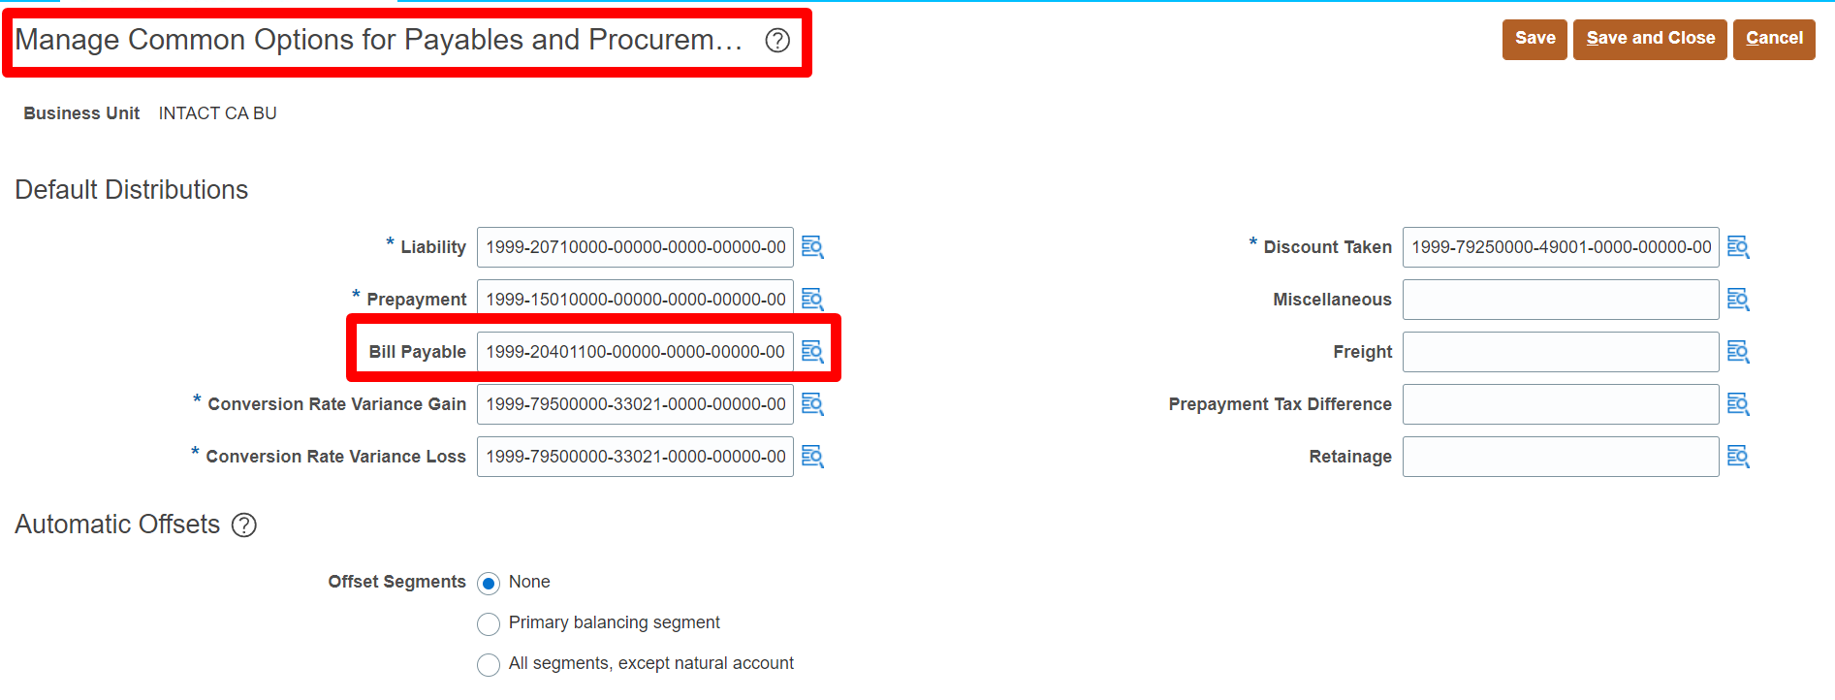

2. Create Payment Method for Bills Payable
Task: Manage Payment Methods
*Here check the checkbox called Bills Payable

Process
1. Create Invoice
*Make sure that we have unchecked the check box called use withholding tax and remove withholding tax group at supplier site level. And also from supplier profile
Path: Payables >> Invoices >> Taskpane >> Create Invoices
*Here in Payment Method we have to populate the Bills Payable Payment Method in Manage Installments at Invoice level
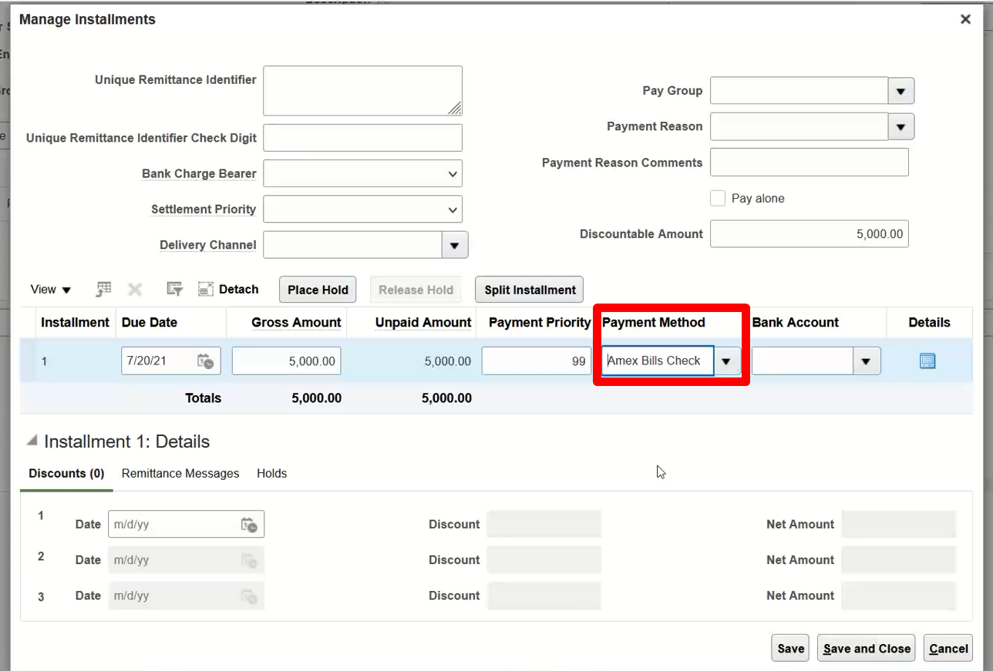

2. Process Payment with future date
*Here select the payment method which we created for Bills Payable
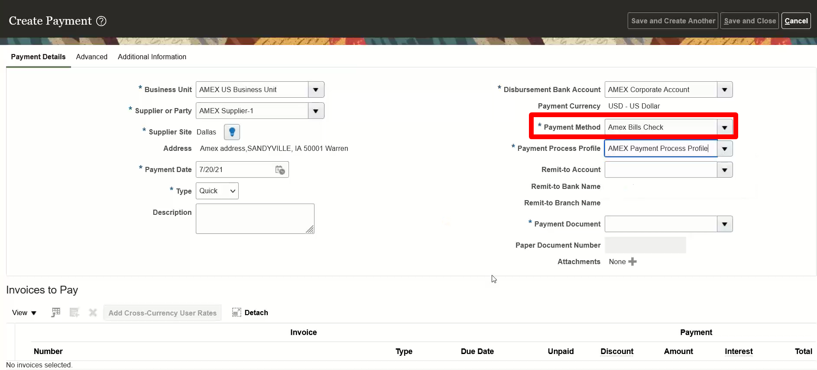

*Now clickon "Advanced Tab" and select the maturity date
*Here we are giving the payment today with future date and the maturity date will be printed on the cheque
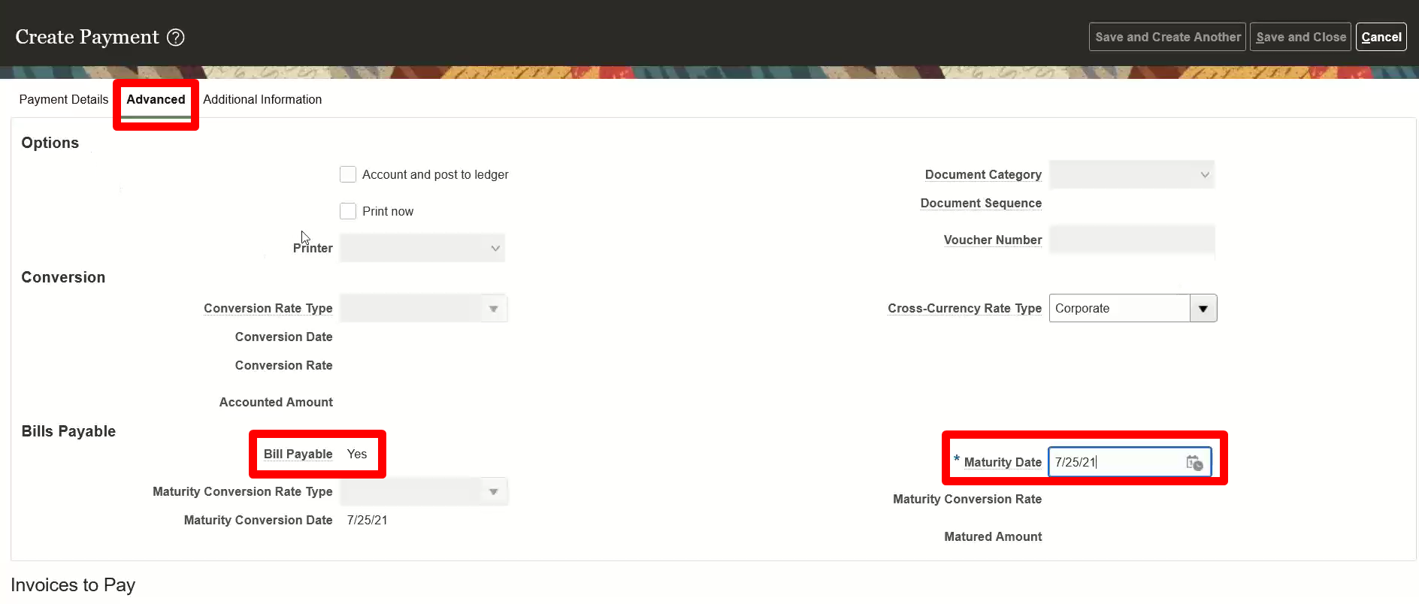

*Select the invoices to pay and pay it
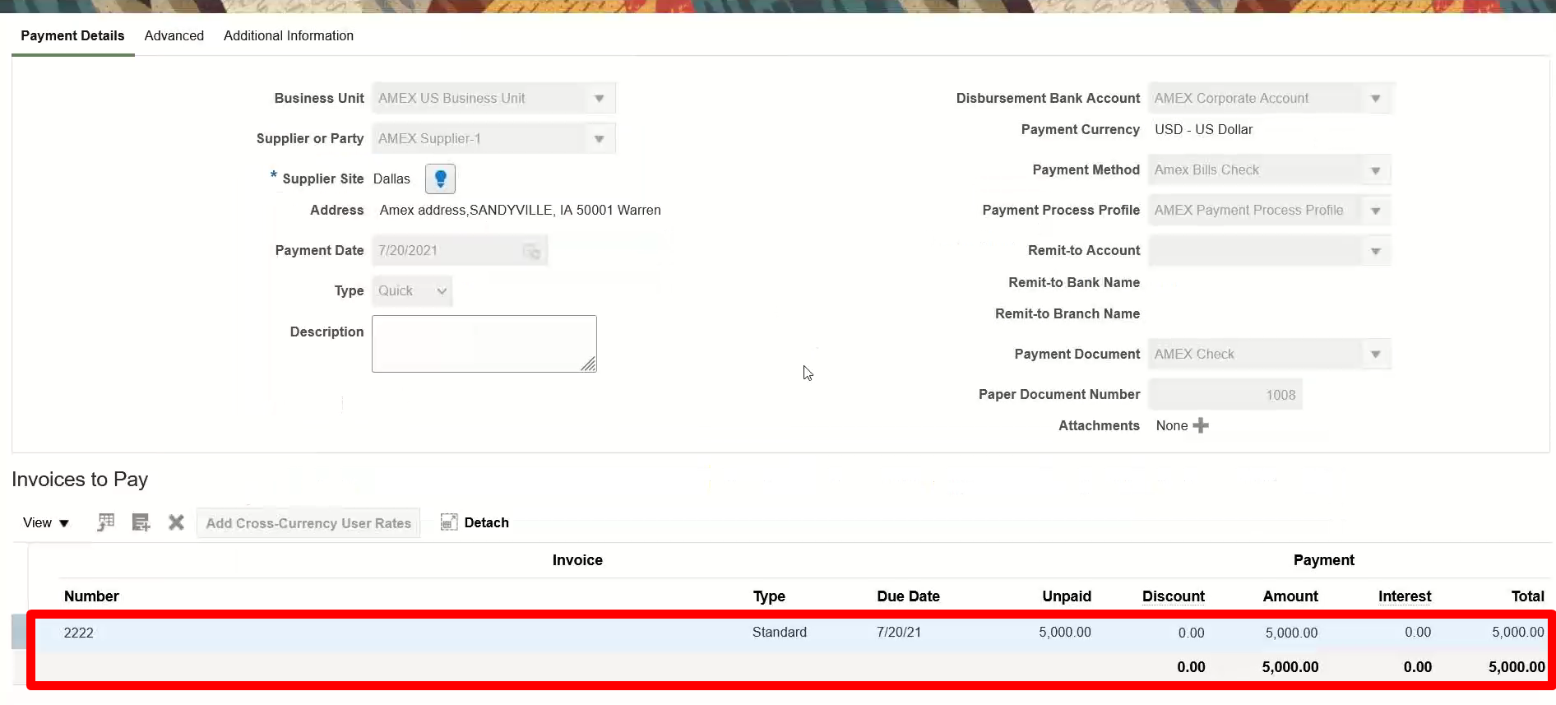

*Here the payment status is "Issued".
*If the payment status is "Negotiable" then the accounting entry is
Accounts Payable A/C Dr
To Cash Clearing A/C

If the payment status is "Issued" then the accounting entry is
Accounts Payable A/C Dr
To Bills Payable A/C

3. Run Bills Payables Process
Path: Tools >> Scheduled Process
*Run ESS Job " Update Matured Bills Payable Status".
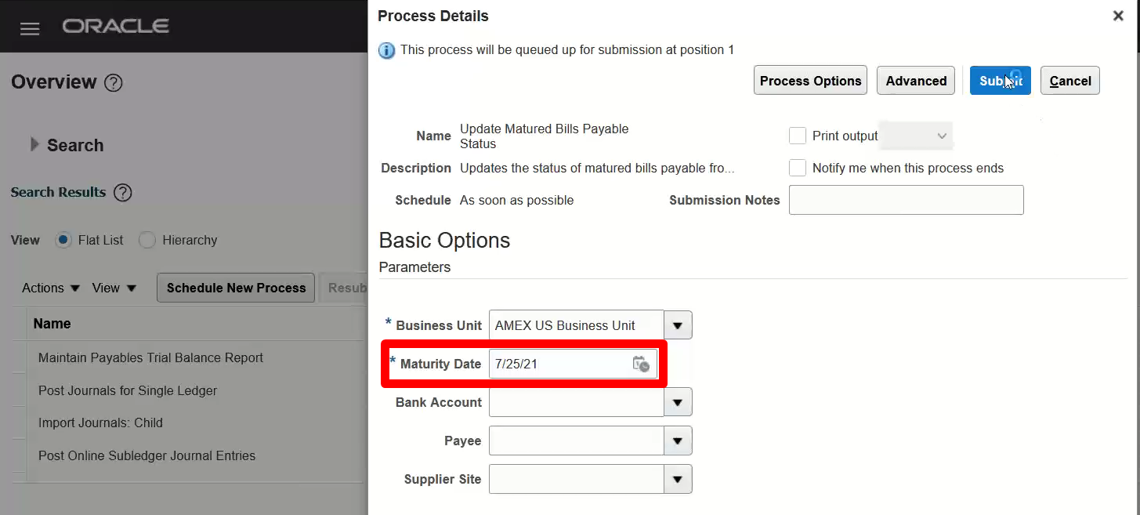

*After running the process the payment status is changed from issued to negotiable
*Here we have to again post to the ledger and the new entry is
Bills Payable A/C Dr
To Cash Clearing A/C

After doing Reconciliation
Cash Clearing A/C Dr
To Cash A/C

